Figure S1
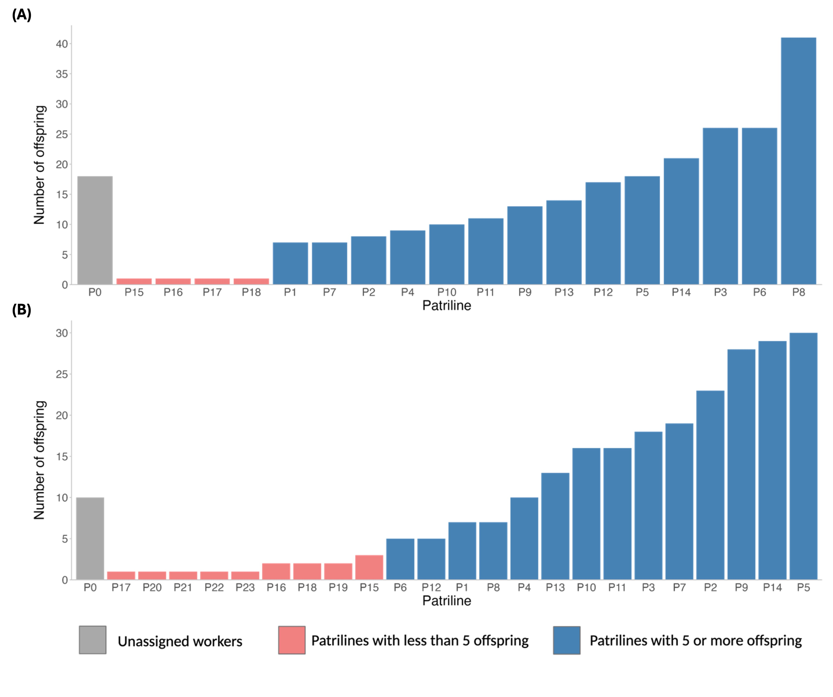
Figure S1. Offspring distribution of 500 genotyped worker bees across patrilines in two honey bee colonies. (A) Colony A12. 18 workers that contained missing fragments and were not assigned a patriline (P0). 232 workers were assigned to patrilines (P1-P18). Patrilines P1-P14 (blue) contained more than 5 offspring in the patriline. Patriline P15-P18 (red) contained less than 5 offspring in the patriline. (B) Colony A18. 10 workers that contained missing fragments and were not assigned a patriline (P0). 232 workers were assigned to patrilines (P1-P23). Patrilines P1-P14 (blue) contained more than 5 offspring in the patriline. Patriline P15-P18 (red) contained less than 5 offspring in the patriline. Workers unassigned to a patriline and patrilines with less than 5 individuals were not selected for heritability analyses.

